owasp juice app
*Note | 1. Due to limited time, assessment like populating the cart like crazy, or multiple order are not being done
 | 2. Also due to limited time, assessment of burger menu on the left top also skipped
Bug Id | Bug Title | Priority | Severity | Environment | Description | Step to Reproduce | Expected Result | Actual Result | Additional Notes | Screenshot
1 | During registration process, random invalid email can be inputted | High | Medium | OWASP juice shop v17.1.1 MacOS Sonoma 14.4.1 Safari 17.4.1 | validation of the email is very basic, hence invalid email like asd@a is able to be submitted | 1. go to the login page: https://juice-shop.herokuapp.com/#/login 2. click "not yet a customer?" 3. input asd@a on the email field 4. input other field with correct data 5. submit | email should be invalid and application can't be submitted | application can be submitted | registration process | 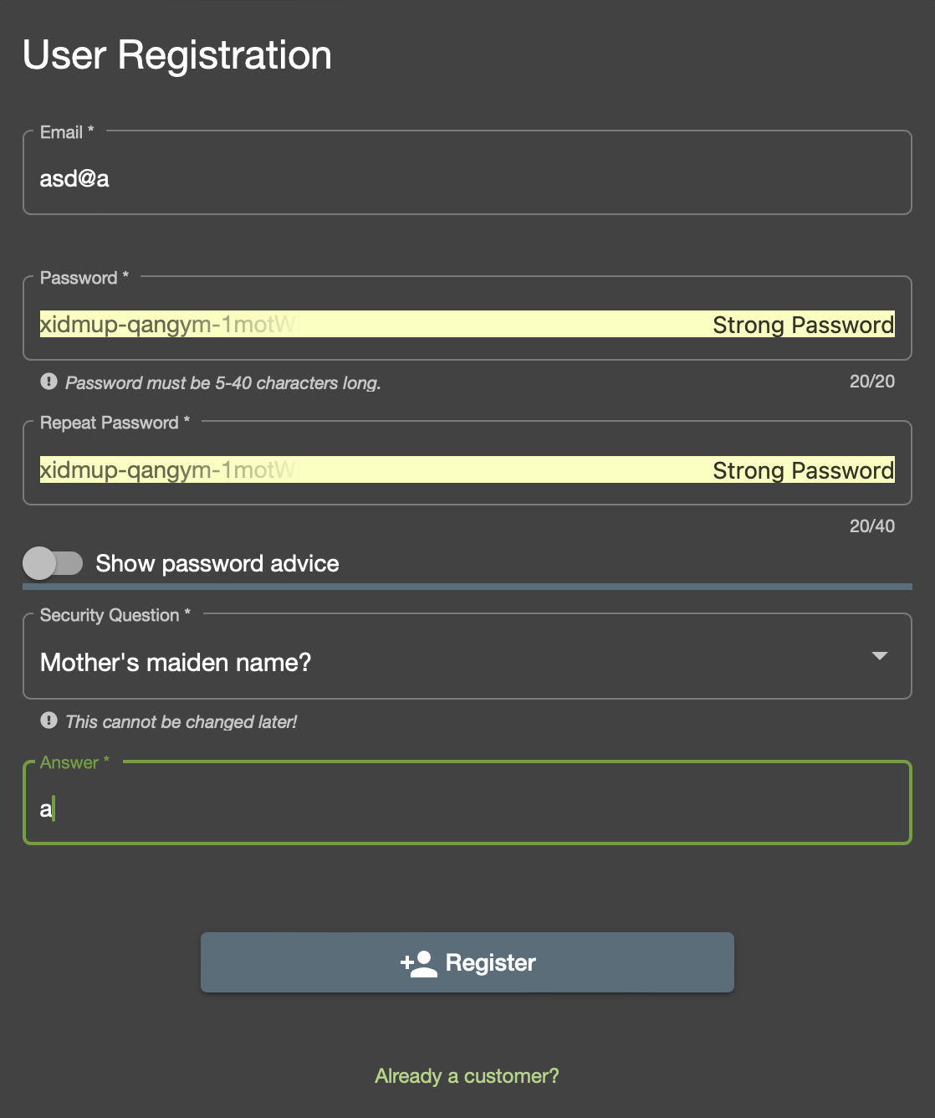
2 | During registration process, password policy is not enforced | High | High | OWASP juice shop v17.1.1 MacOS Sonoma 14.4.1 Safari 17.4.1 | password is not validated, hence basic password is able to be submitted | 1. go to the login page: https://juice-shop.herokuapp.com/#/login 2. click "not yet a customer?" 3. input 123456 on password field 4. input other field with correct data 5. submit | password policy should be enforced and application can't be submitted | application can be submitted | registration process | 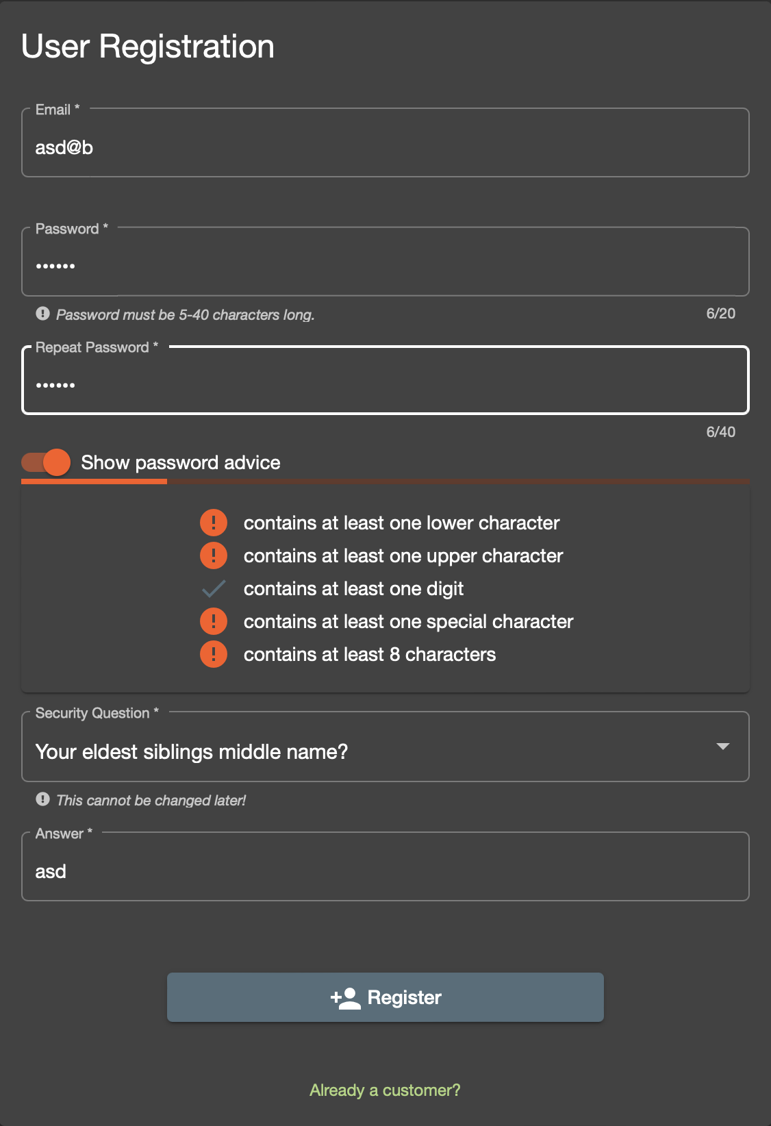
3 | During registration process, email input not sanitized | High | High | OWASP juice shop v17.1.1 MacOS Sonoma 14.4.1 Safari 17.4.1 | email input is not sanitized hence can contain symbols like (-), ('), which prone to sql injection and XSS attack | 1. go to the login page: https://juice-shop.herokuapp.com/#/login 2. click "not yet a customer?" 3. input asd-'@b on email field 4. input other field with correct data 5. submit | email field should be sanitized | application can be submitted | registration process | 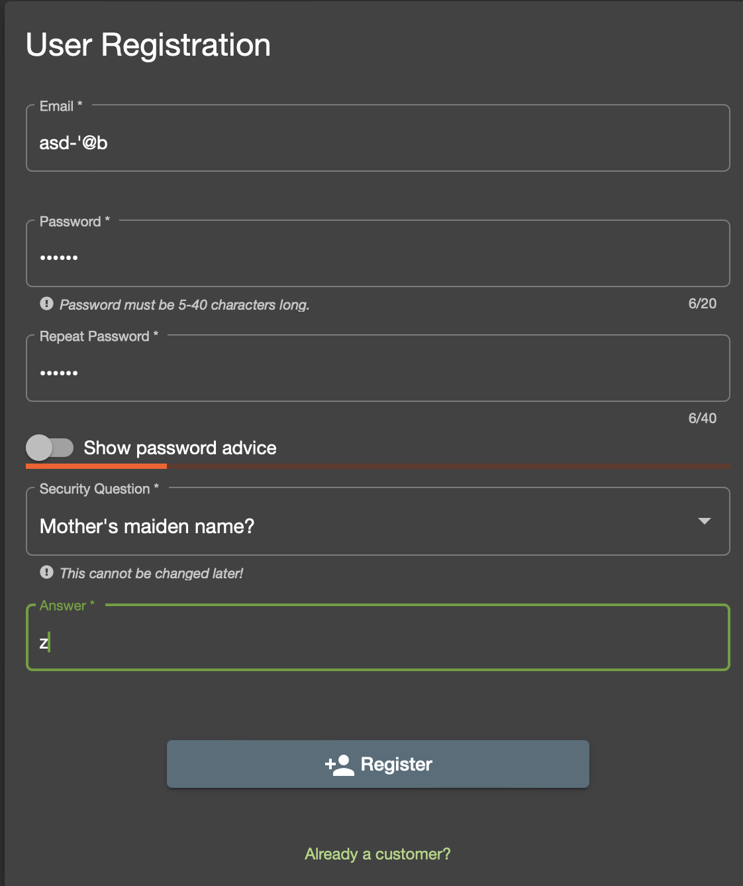
4 | During login, inputting (') to username will show wrong error message | Medium | Medium | OWASP juice shop v17.1.1 MacOS Sonoma 14.4.1 Safari 17.4.1 | when (') is inputted to username, the error message which should show "Invalid username or password" shows "Object object" instead | 1. go to the login page: https://juice-shop.herokuapp.com/#/login 2. input (') in the username 3. input any password 4. login | "Invalid username or password" error should shown | "Object object" error message shown | login | 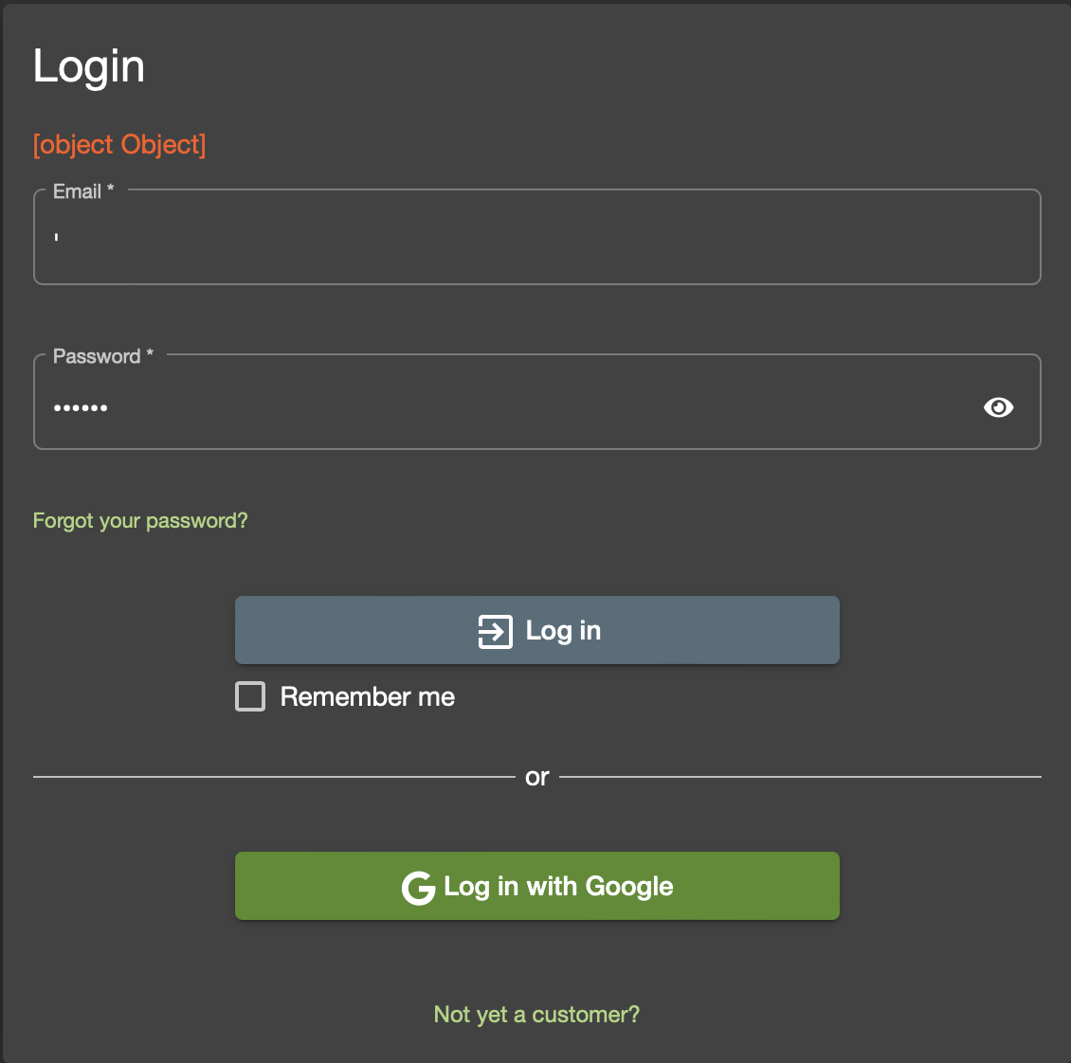
5 | During login, username is not sanitized | High | High | OWASP juice shop v17.1.1 MacOS Sonoma 14.4.1 Safari 17.4.1 | username is not sanitized hence can contain symbols like (-), ('), which prone to sql injection and XSS attack | 1. go to the login page: https://juice-shop.herokuapp.com/#/login 2. input asd-'@b on username/email field 3. input correct password on the account (that has been created earlier) 4. login | username/email field should be sanitized | user can input it in the field | login | 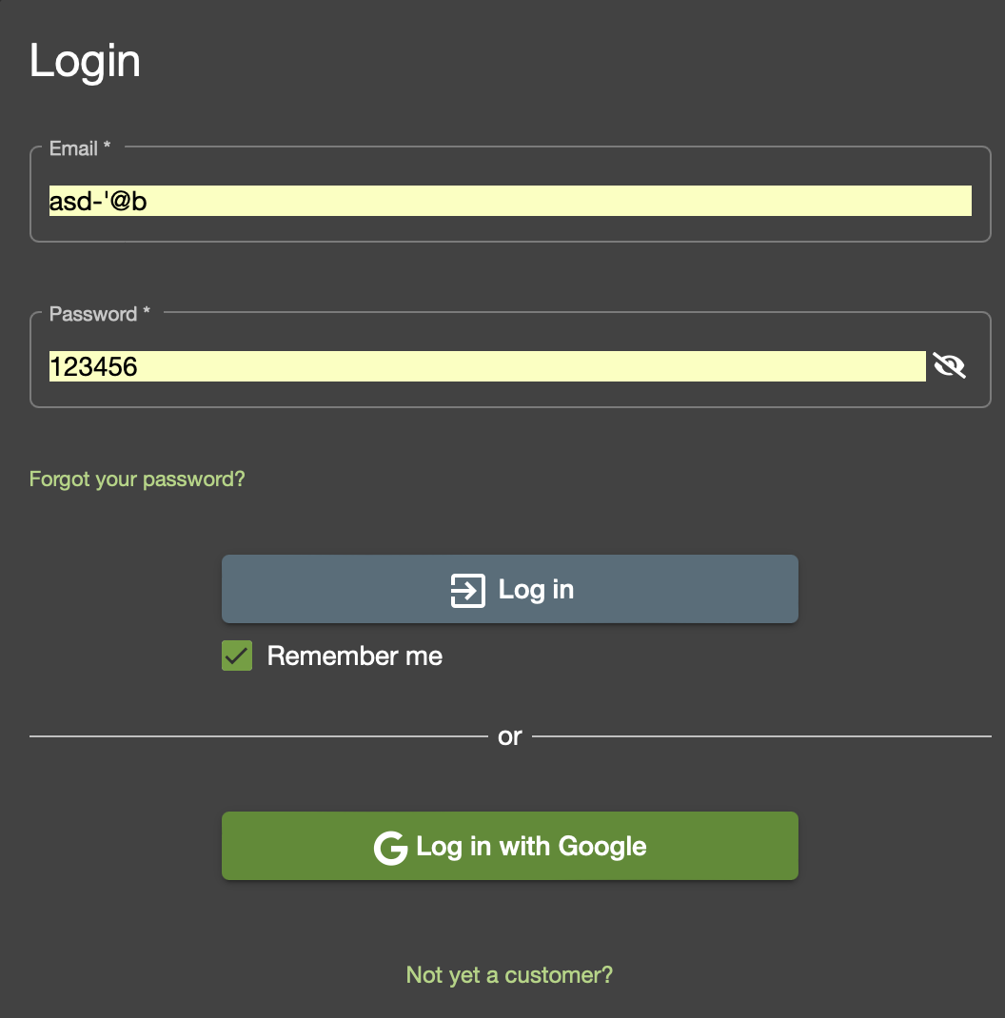
6 | During login, login with google functionality not working | High | Medium | OWASP juice shop v17.1.1 MacOS Sonoma 14.4.1 Safari 17.4.1 | login with google not working, after selecting gmail to login, it redirect to login page | 1. go to the login page: https://juice-shop.herokuapp.com/#/login 2. click "Log in with Google" 3. select google users to login | login should be successful | redirect to login page | login | N/A
7 | During forgot password process, password policy is not enforced | Medium | High | OWASP juice shop v17.1.1 MacOS Sonoma 14.4.1 Safari 17.4.1 | password is not validated, hence basic password is able to be submitted | 1. go to the login page: https://juice-shop.herokuapp.com/#/login 2. click "Forgot password" 3. input 123456 on password field 4. input other field with correct data 5. submit | password policy should be enforced and application can't be submitted | new password on the forgot password can be submitted | login - forgot password | 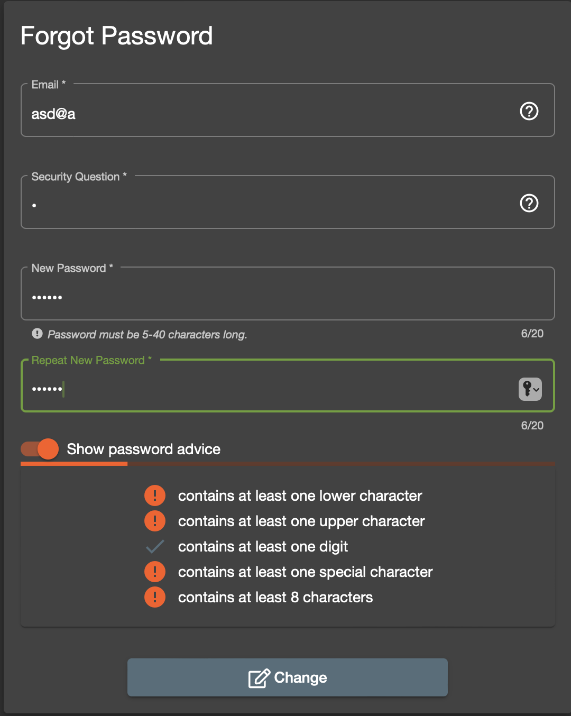
8 | During forgot password process, email input not sanitized | Medium | High | OWASP juice shop v17.1.1 MacOS Sonoma 14.4.1 Safari 17.4.1 | email input is not sanitized hence can contain symbols like (-), ('), which prone to sql injection and XSS attack | 1. go to the login page: https://juice-shop.herokuapp.com/#/login 2. click "Forgot password" 3. input asd-'@b on email field 4. input other field with correct data 5. submit | email field should be sanitized | new password on the forgot password can be submitted | login - forgot password | 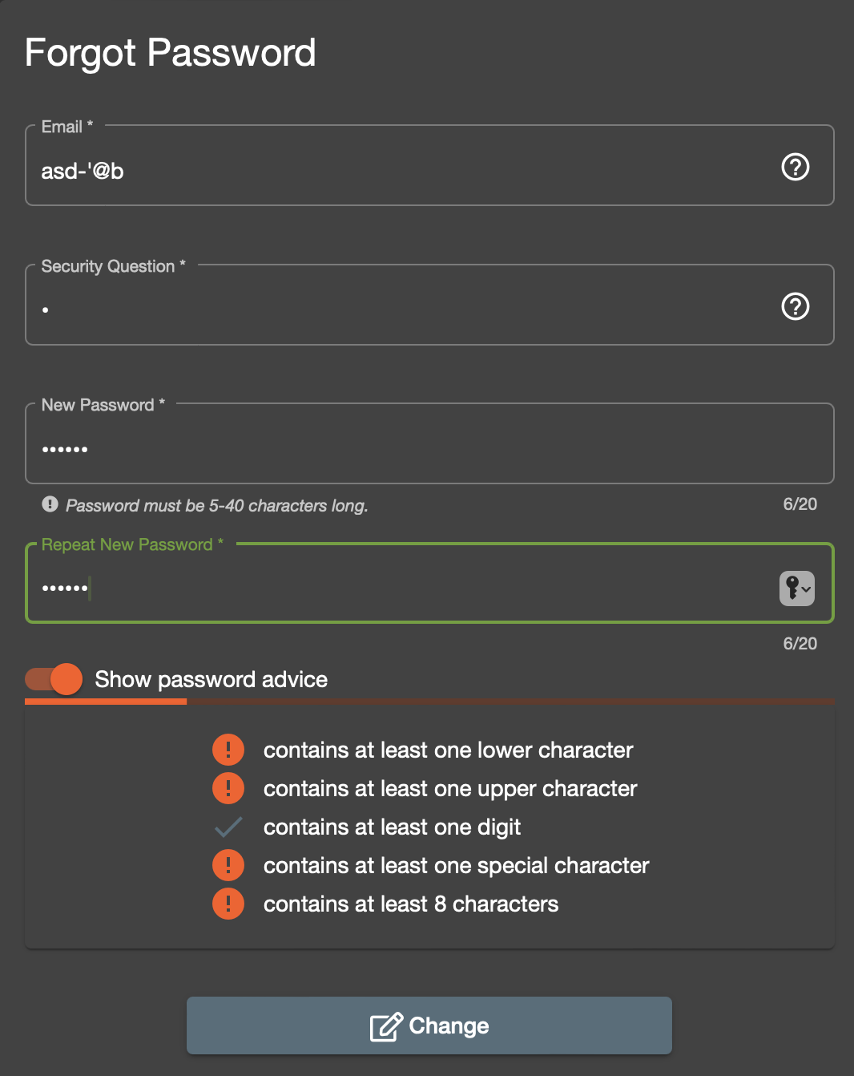
9 | Search not sanitized | High | High | OWASP juice shop v17.1.1 MacOS Sonoma 14.4.1 Safari 17.4.1 | search input is not sanitized hence can contain symbols like (-), ('), which prone to sql injection and XSS attack | 1. go to homepage https://juice-shop.herokuapp.com 2. click the input of the search on right top corner 3. input -<> 4. press enter | search field should be sanitized | can search with symbols | browse product | 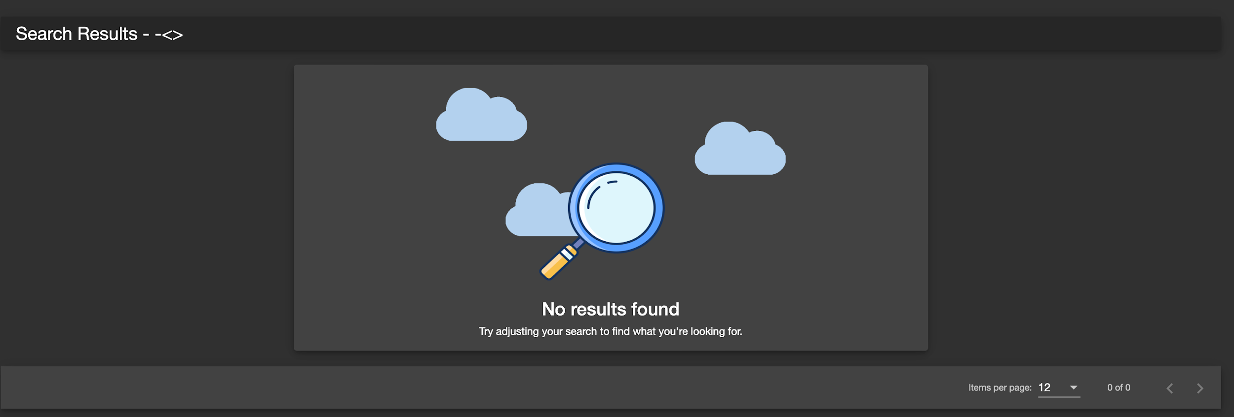
10 | Review not sanitized | Medium | High | OWASP juice shop v17.1.1 MacOS Sonoma 14.4.1 Safari 17.4.1 | review input is not sanitized hence can contain symbols like (-), ('), which prone to sql injection and XSS attack | 1. go to homepage https://juice-shop.herokuapp.com 2. click on certain product 3. input comment with symbols < > ' 4. click submit | review field should be sanitized | can submit review with symbols | browse product | 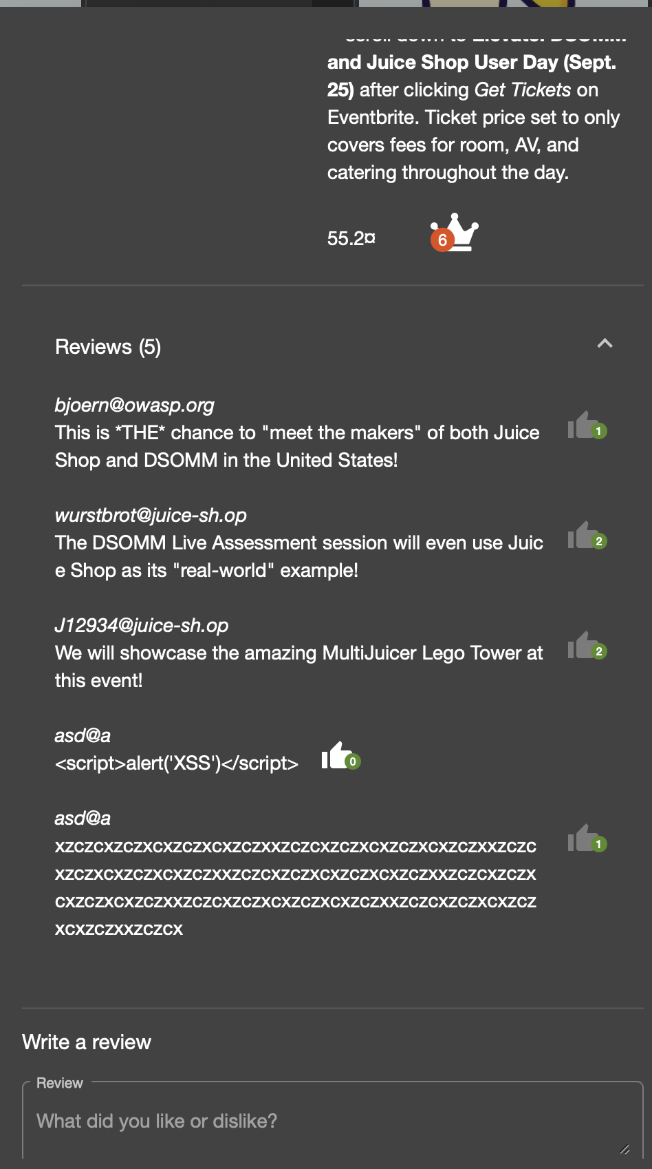
11 | Review like can be clicked twice | Low | Low | OWASP juice shop v17.1.1 MacOS Sonoma 14.4.1 Safari 17.4.1 | review like can be clicked twice if its done in rapid manner | 1. go to homepage https://juice-shop.herokuapp.com 2. click on certain product 3. click thumbs up button in rapid fashion | thumbs up number should only increased by 1 | thumbs up number increased by 2 | browse product | 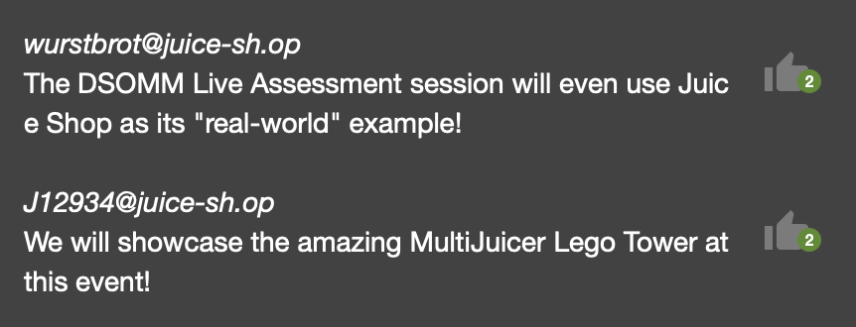
12 | Cart price calculation is wrong | High | High | OWASP juice shop v17.1.1 MacOS Sonoma 14.4.1 Safari 17.4.1 | calculation price for the cart is wrong when there's item | 1. login 2. add several items to the cart 3. click cart button on top right 4. observe the price calculation | price calculation should be correct. In this test specific case, ordering: best juice shop salesman artwork x1, apple juice x1, apple pomace x1, melon bike x1, lemon juice x5, eggfruit juice x35, fruit press x19 should be 8103.85 | price calculation is wrong. In this test specific case, ordering: best juice shop salesman artwork x1, apple juice x1, apple pomace x1, melon bike x1, lemon juice x5, eggfruit juice x35, fruit press x19 return 10041.28999999 instead | cart | 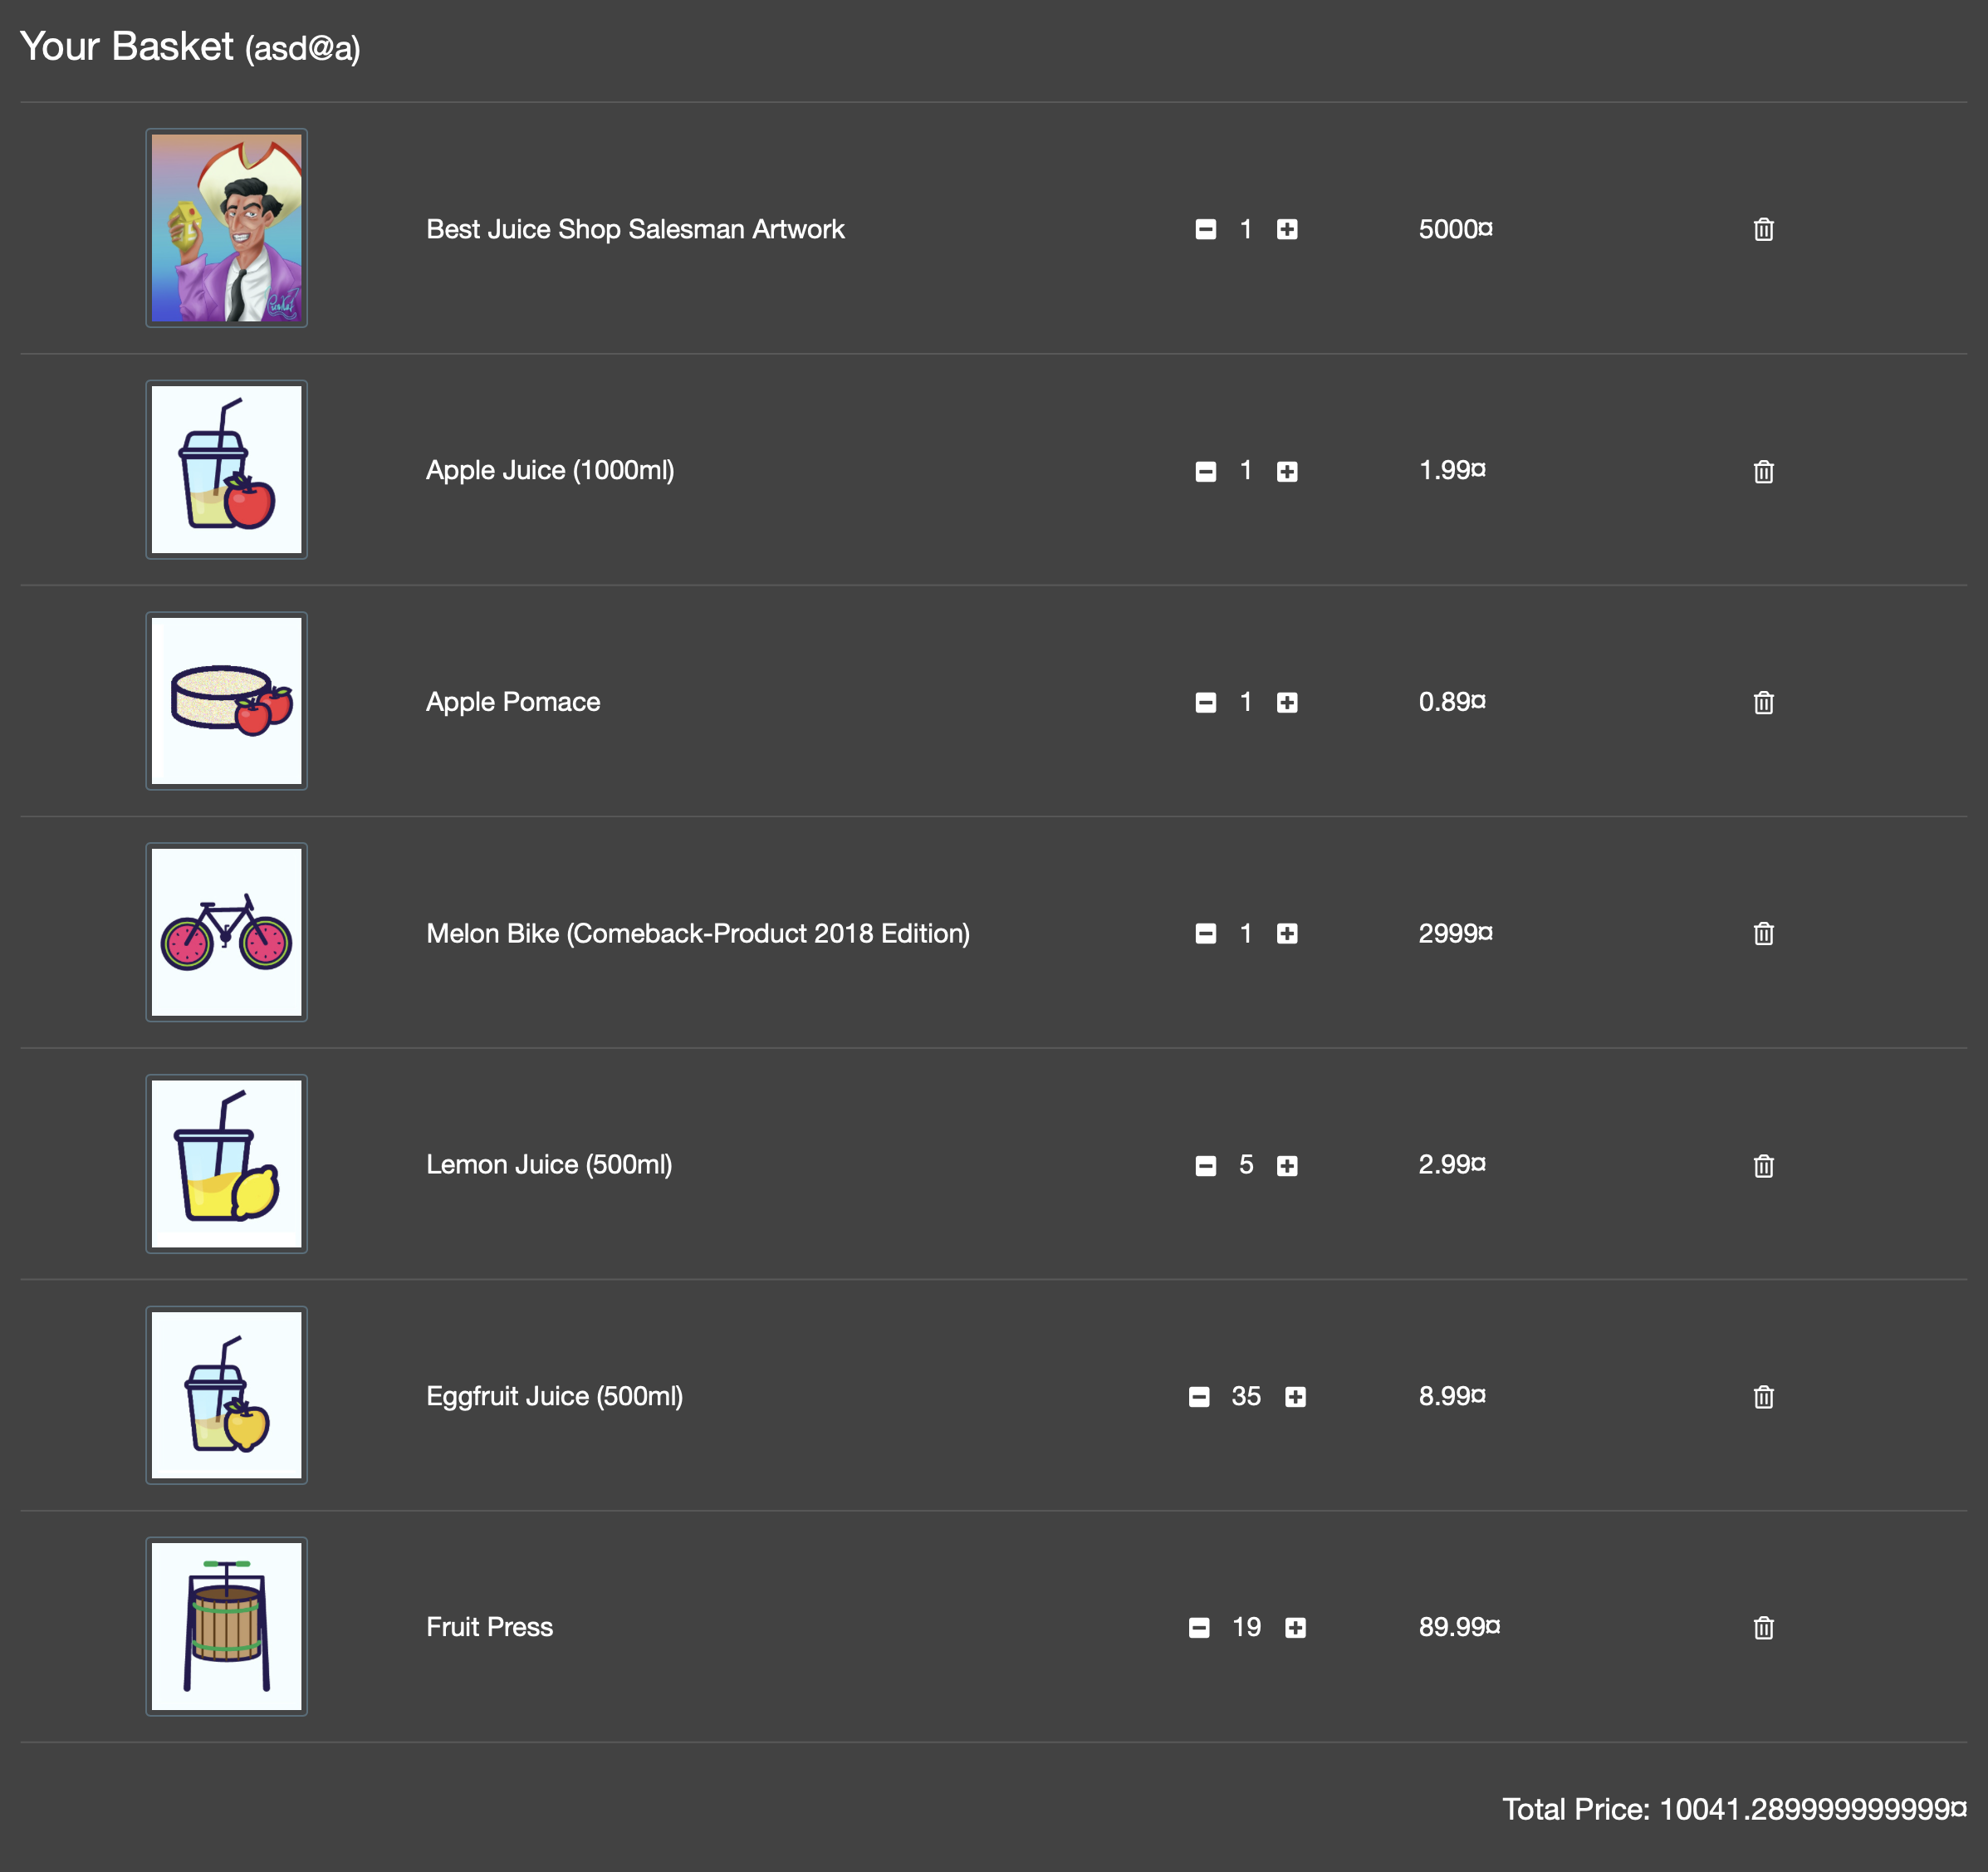
13 | all input in "add address" EXCEPT mobile number not sanitized | High | High | OWASP juice shop v17.1.1 MacOS Sonoma 14.4.1 Safari 17.4.1 | all input in "add address" EXCEPT mobile number is not sanitized hence can contain symbols like (-), ('), which prone to sql injection and XSS attack | issue occurs in 2 places checkout flow 1. login 2. add several items to the cart 3. click cart button on top right 4. checkout 5. add address 6. input symbols in all field user profile flow 1. login 2. click account on the top right > orders and payment > my saved address 3. add adress 4. input symbols in all fields | all input should be sanitized | can submit all input EXCEPT mobile number with symbols | checkout & user profile | 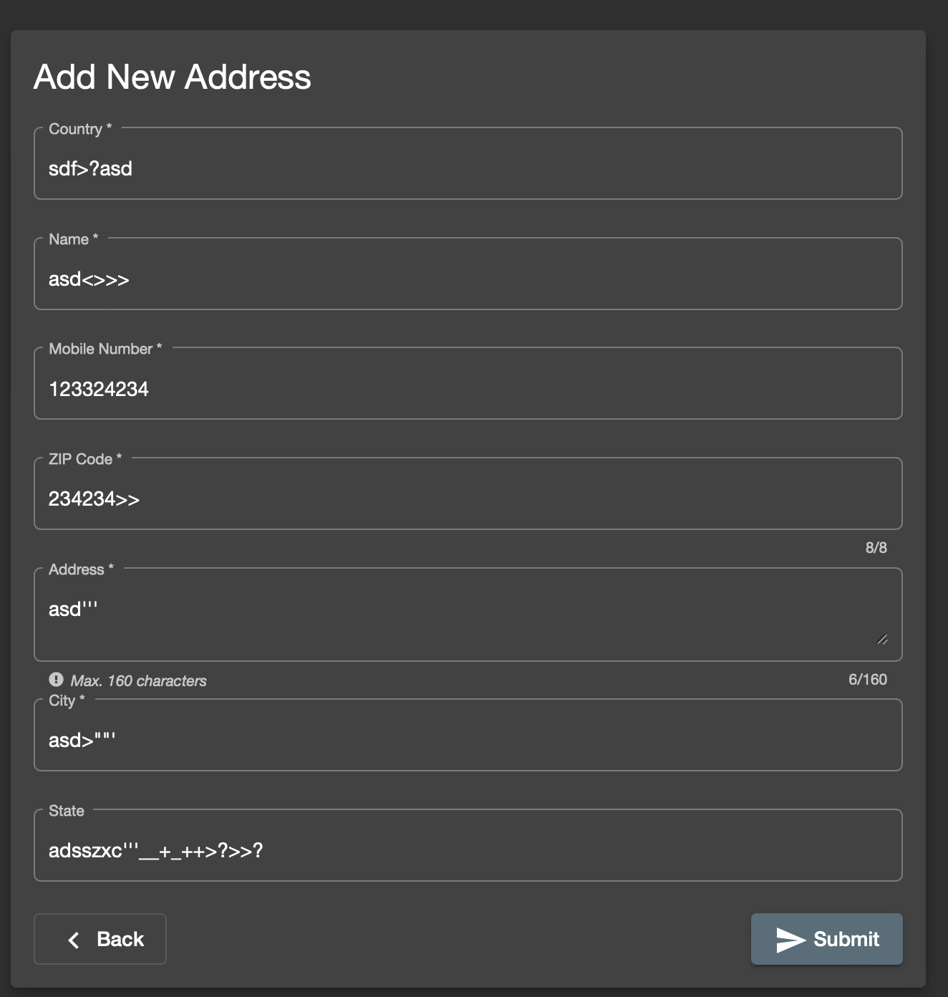
14 | mobile number in "add address" alert is wrong when there's a non number in the input | Low | Low | OWASP juice shop v17.1.1 MacOS Sonoma 14.4.1 Safari 17.4.1 | if there's a non number input in the mobile number field in "add address", the alert message is wrong | issue occurs in 2 places checkout flow 1. login 2. add several items to the cart 3. click cart button on top right 4. checkout 5. add address 6. use non number input i.e. "a" or ">" in mobile number field and observe user profile flow 1. login 2. click account on the top right > orders and payment > my saved address 3. add adress 4. use non number input i.e. "a" or ">" in mobile number field and observe | alert shown should be "Mobile number must match 1000000-9999999999 format." | alert shown is "Please provide a mobile number." | checkout & user profile | 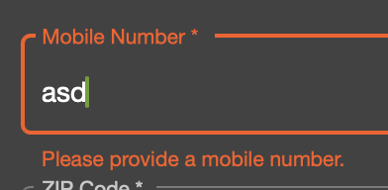
15 | card number not validated with correct credit card format | High | High | OWASP juice shop v17.1.1 MacOS Sonoma 14.4.1 Safari 17.4.1 | credit card number not validated properly so user can input invalid card number | issue occurs in 2 place checkout flow 1. login 2. add several items to the cart 3. click cart button on top right 4. checkout 5. click designated address and next 6. select any delivery type and next 7. add new card 8. input random number in the card number user profile flow 1. login 2. click account on the top right > orders and payment > my payment options 3. add new card 4. input random number in the card number | credit card should be validated | credit card not validated and able to be submitted | checkout & user profile | 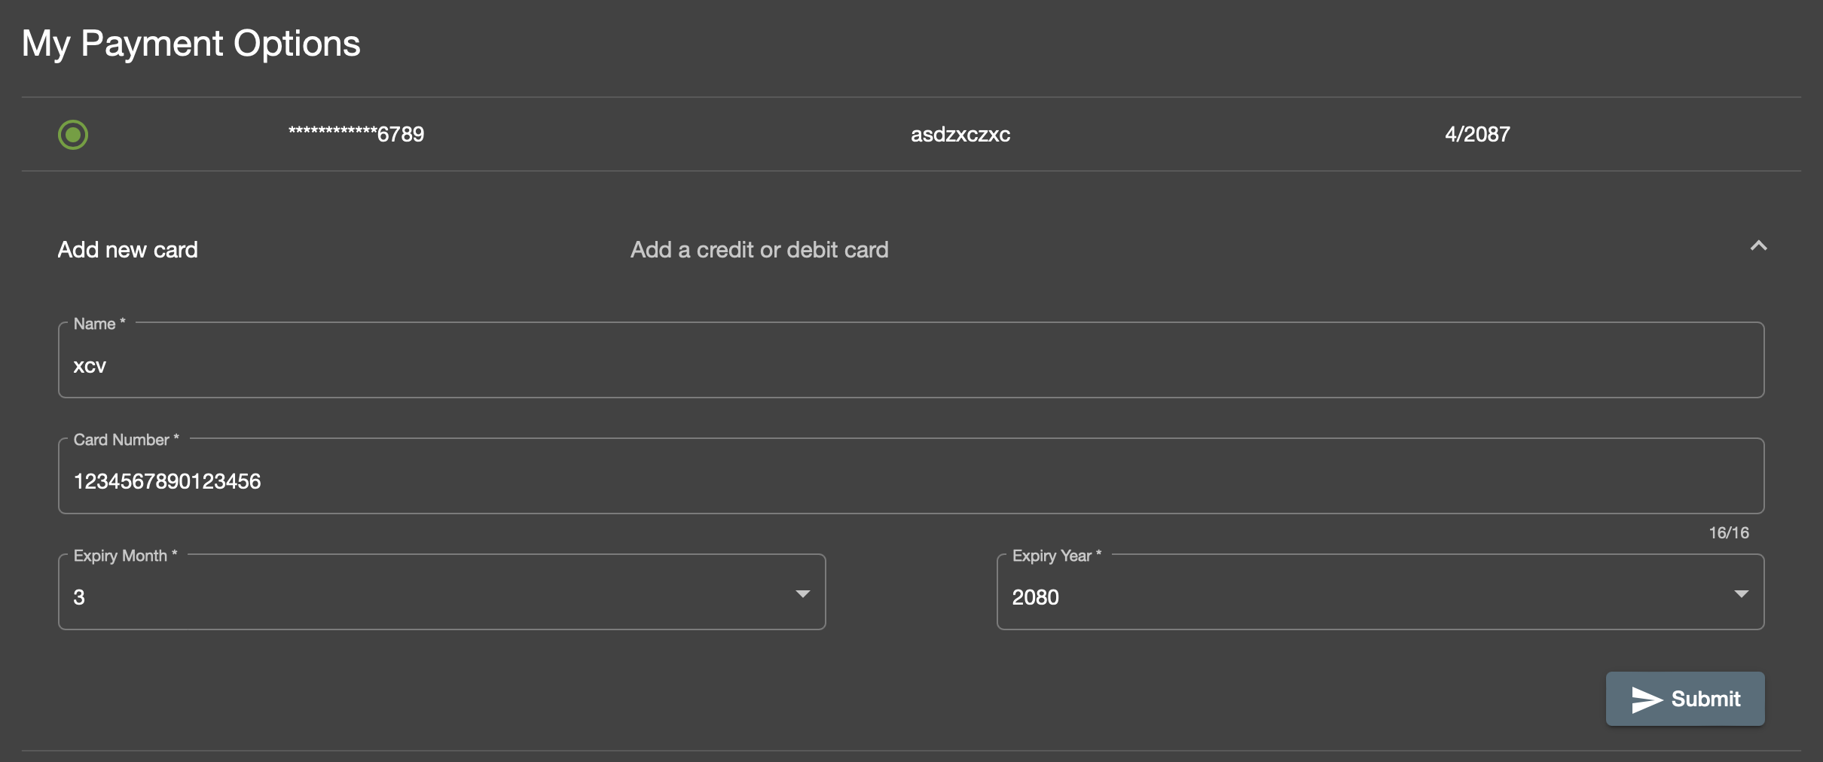
16 | no CVV on credit card validation | High | Critical | OWASP juice shop v17.1.1 MacOS Sonoma 14.4.1 Safari 17.4.1 | no CVV field to validate credit card | issue occurs in 2 place checkout flow 1. login 2. add several items to the cart 3. click cart button on top right 4. checkout 5. click designated address and next 6. select any delivery type and next 7. add new card, observe user profile flow 1. login 2. click account on the top right > orders and payment > my payment options 3. add new card, observe | there should be CVV field | no CVV field | checkout & user profile
17 | name on add new card not sanitized | High | High | OWASP juice shop v17.1.1 MacOS Sonoma 14.4.1 Safari 17.4.1 | name in the add new card input is not sanitized hence can contain symbols like (-), ('), which prone to sql injection and XSS attack | issue occurs in 2 place checkout flow 1. login 2. add several items to the cart 3. click cart button on top right 4. checkout 5. click designated address and next 6. select any delivery type and next 7. add new card 8. input symbols in the name field user profile flow 1. login 2. click account on the top right > orders and payment > my payment options 3. add new card 4. input symbols in the name field | name field should be sanitized | name field not sanitized and able to be submitted | checkout & user profile | 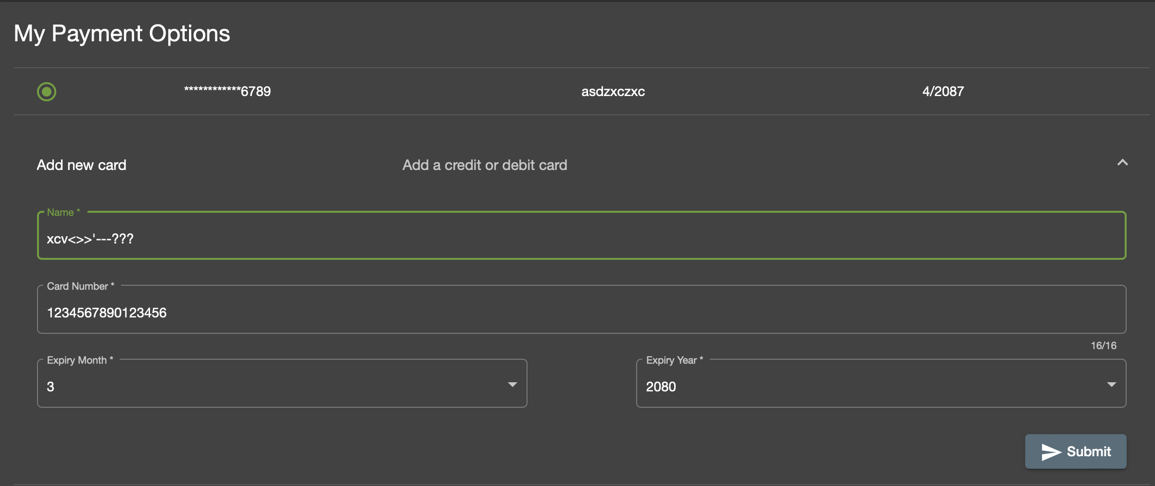
18 | expiry year options for adding new card is invalid | High | High | OWASP juice shop v17.1.1 MacOS Sonoma 14.4.1 Safari 17.4.1 | expiry year range is from 2080 onwards while current year is 2024 | issue occurs in 2 place checkout flow 1. login 2. add several items to the cart 3. click cart button on top right 4. checkout 5. click designated address and next 6. select any delivery type and next 7. add new card 8. check the expiry year option user profile flow 1. login 2. click account on the top right > orders and payment > my payment options 3. add new card 4. check the expiry year option | expiry year should ranging between 2025-2030 | expiry year options is 2080 onwards | checkout & user profile | 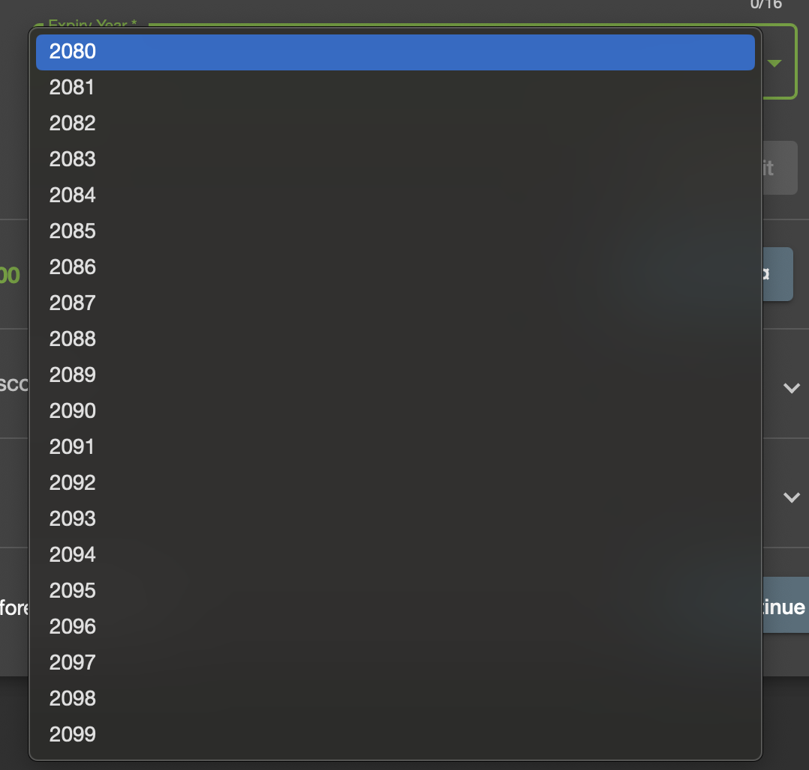
19 | username in user profile is not sanitized | High | High | OWASP juice shop v17.1.1 MacOS Sonoma 14.4.1 Safari 17.4.1 | username in user profile input is not sanitized hence can contain symbols like (-), ('), which prone to sql injection and XSS attack | 1. login 2. click "account" on the top right 3. click your account name 4. input username with symbols 5. set username | username field should be sanitized | username is not sanitized and able to be set | user profile | 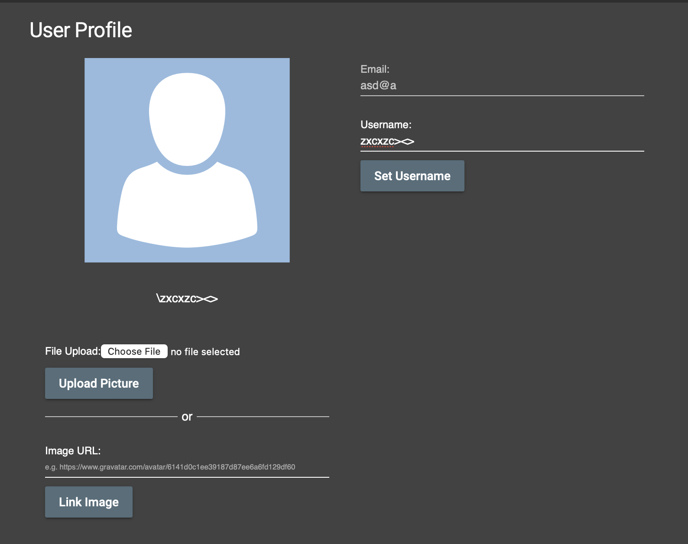
20 | upload picture without any file in user profile makes infinite loading | High | Medium | OWASP juice shop v17.1.1 MacOS Sonoma 14.4.1 Safari 17.4.1 | when click upload picture immediately without selecting file to upload, website become infinite loading | 1. login 2. click "account" on the top right 3. click your account name 4. click "upload picture" | there should be a validation if there's no image file being selected | sites infinite loading | user profile | 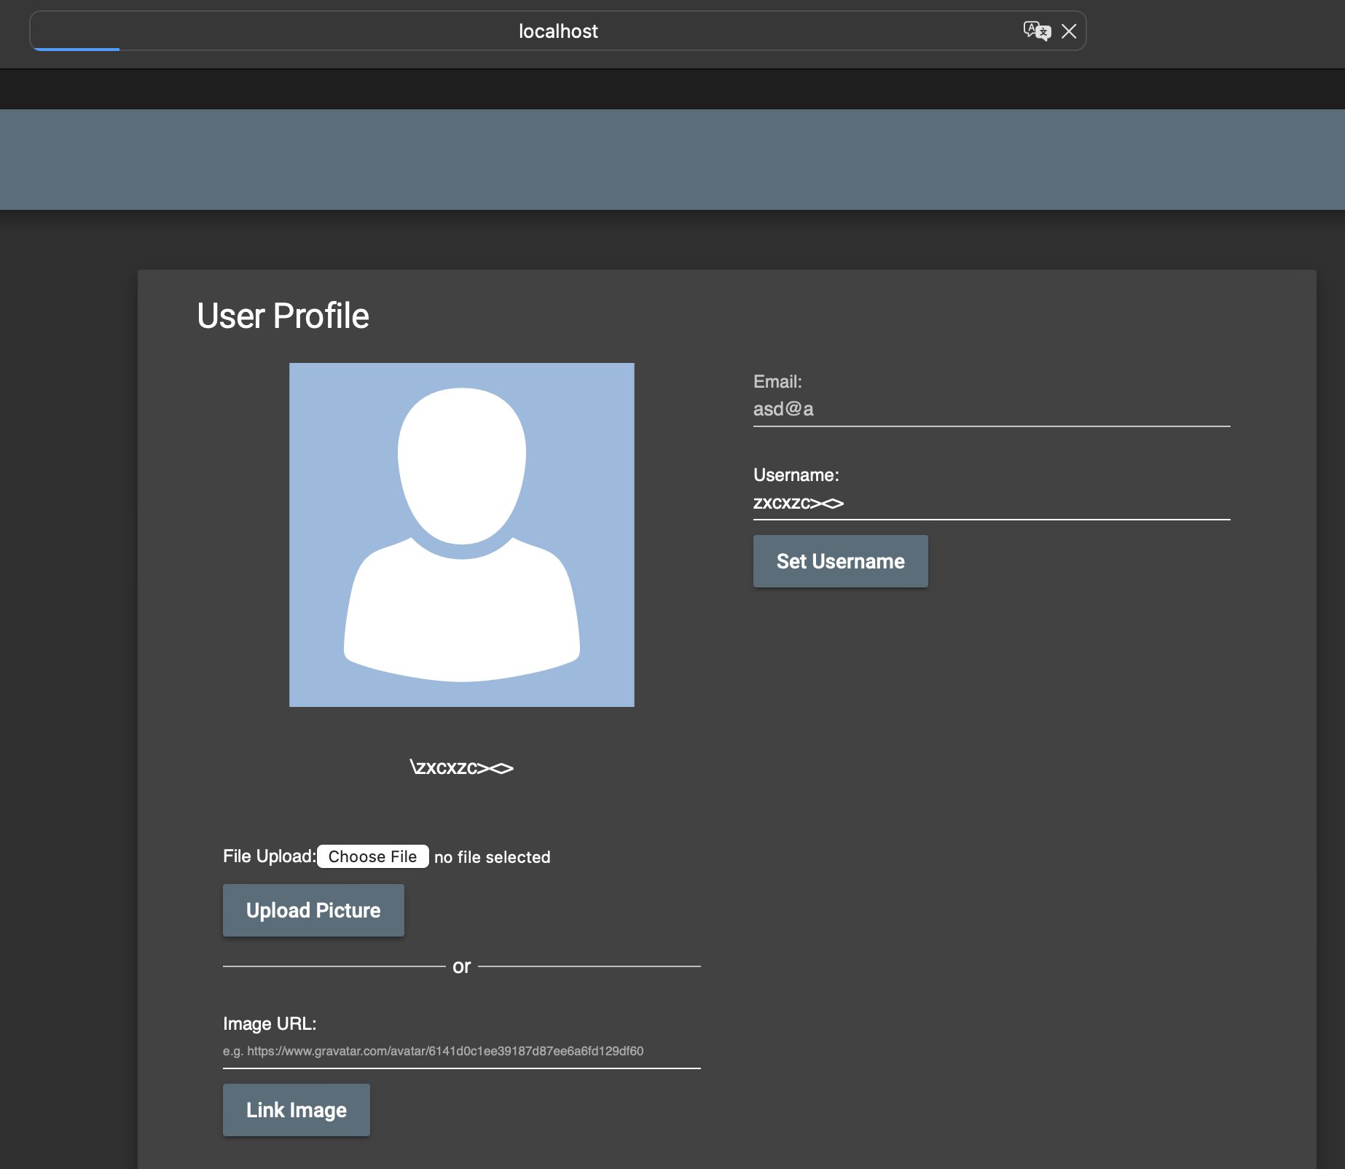
21 | when upload picture with file too large in user profile, there's no proper handling | Medium | Medium | OWASP juice shop v17.1.1 MacOS Sonoma 14.4.1 Safari 17.4.1 | uploading picture with large file return raw errors and there's no proper handling | 1. login 2. click "account" on the top right 3. click your account name 4. select large image file 5. click "upload picture" | there should be a proper handling of the errors instead of raw error message appeared | raw error message shown | user profile
22 | when linking image with invalid uri in user profile, there's no proper handling | Medium | Medium | OWASP juice shop v17.1.1 MacOS Sonoma 14.4.1 Safari 17.4.1 | linking image with invalid uri in user profile return raw errors and there's no proper handling | 1. login 2. click "account" on the top right 3. click your account name 4. enter wrong image url 5. click link | there should be a proper handling of the errors instead of raw error message appeared | raw error message shown | user profile | 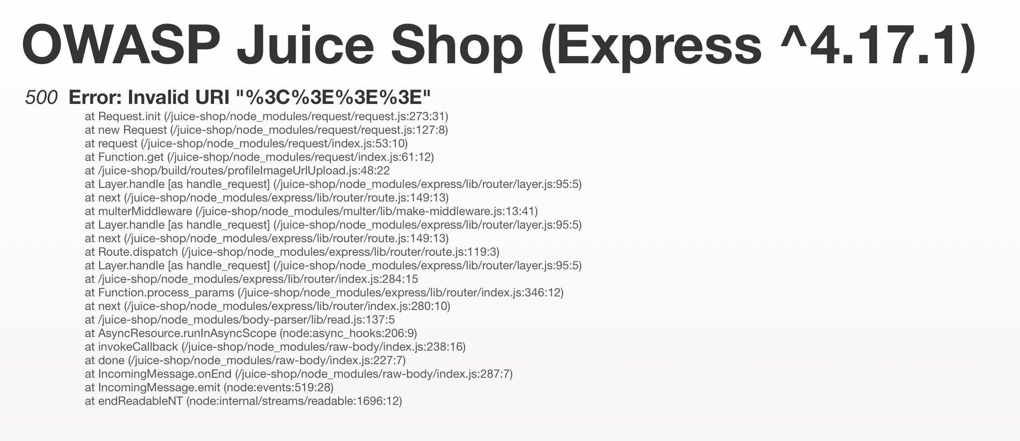
23 | Top up wallet using crypto wallet provide raw errors | High | High | OWASP juice shop v17.1.1 MacOS Sonoma 14.4.1 Safari 17.4.1 | top up wallet using crypto wallet give raw errors and not properly handled | 1. login 2. click "account" on the top right 3. click "orders & payment" 4. click "digital wallet" 5. click "try out our new crypto wallet" 6. click deposit/withdraw button | there should be a proper handling of the errors instead of raw error message appeared | raw error message shown | user profile | 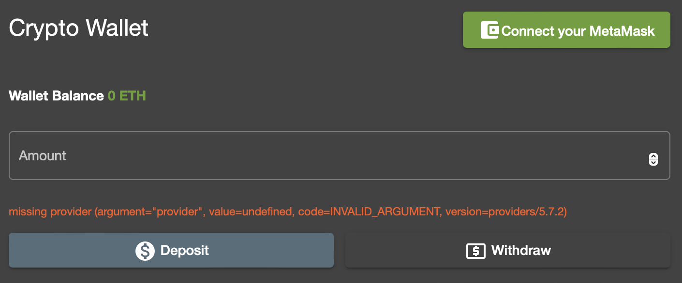
24 | request data erasure not working | High | High | OWASP juice shop v17.1.1 MacOS Sonoma 14.4.1 Safari 17.4.1 | after request data erasure, user still can login | 1. login 2. click "account" 3. click "privacy & security" 4. click "request data erasure" 5. input email and secret question | account should be deleted | account still intact | user profile | N/A
25 | request data erasure not validating whether user still have transaction or not | High | High | OWASP juice shop v17.1.1 MacOS Sonoma 14.4.1 Safari 17.4.1 | request data erasure could be submitted right away without checking whether user have active transaction or not | 1. login with account that have transaction ongoing 2. click "account" 3. click "privacy & security" 4. click "request data erasure" 5. input email and secret question | erasure should not be processed | erasure still being processed (even though it fails in the end in bug id 24) | user profile | N/A
26 | 2FA setup not working | High | High | OWASP juice shop v17.1.1 MacOS Sonoma 14.4.1 Safari 17.4.1 | after setup 2FA, upon logging, there's no 2FA prompt | 1. login 2. click account > privacy & security > 2FA configuration 3. scan QR code on google authenticator 4. input password and code on google authenticator 5. save | after setup 2FA, upon logging in, it should prompt 2FA | no prompt on 2FA after relogin | user profile | N/A
27 | same address is not validated | Medium | Medium | OWASP juice shop v17.1.1 MacOS Sonoma 14.4.1 Safari 17.4.1 | when adding same address as previous, there's no validation so duplicate entry could be happened | issue occurs in 2 places checkout flow 1. login 2. add several items to the cart 3. click cart button on top right 4. checkout 5. add address 6. add same existing address user profile flow 1. login 2. click account on the top right > orders and payment > my saved address 3. add adress 4. add same existing address | same address should be validated | can create new entry of new address | checkout & user profile | N/A
28 | same credit card number is not validated | High | High | OWASP juice shop v17.1.1 MacOS Sonoma 14.4.1 Safari 17.4.1 | when adding same credit card as previous, there's no validation so duplicate entry could be happened | issue occurs in 2 place checkout flow 1. login 2. add several items to the cart 3. click cart button on top right 4. checkout 5. click designated address and next 6. select any delivery type and next 7. add new card 8. add existing credit card number user profile flow 1. login 2. click account on the top right > orders and payment > my payment options 3. add new card 4. add existing credit card number | same credit card number should be validated | can create new entry of credit card | checkout & user profile | N/A

